State Waste Management
Australian State Waste Management Report |  |  |  |  |  |  |  |  | ACT

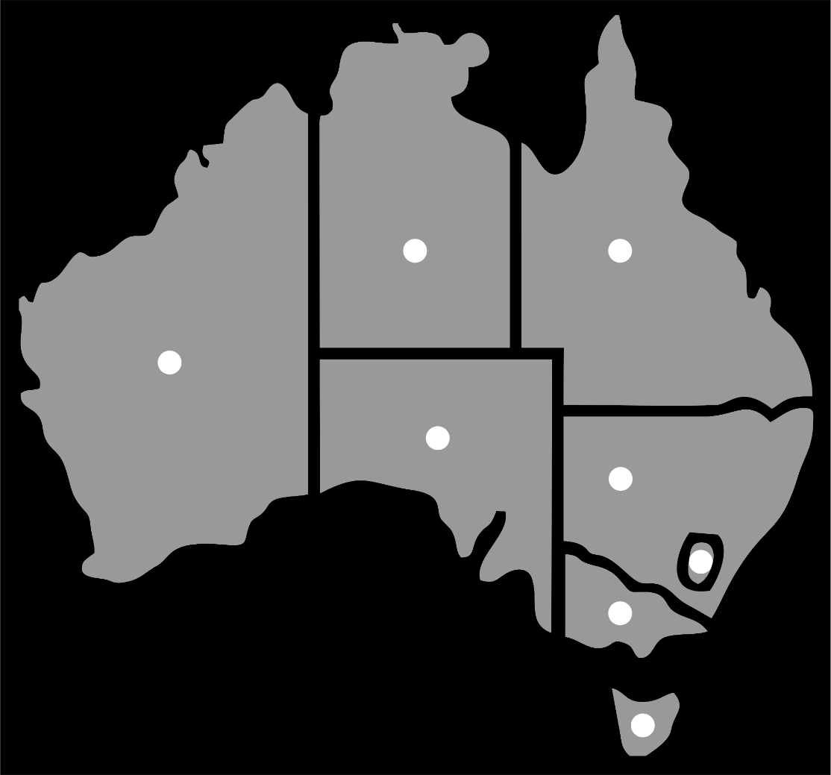
Core Waste Ton PC
State/Territory | 2007 | 2009 | 2011 | 2013 | 2015 | 2017 | CAGR
ACT | 2.08 | 2.04 | 2.44 | 1.81 | 2.18 | 2.32 | 1.1%
NSW | 2.34 | 2.64 | 2.44 | 2.34 | 2.34 | 2.32 | -0.1%
NT | 2.50 | 1.68 | 1.61 | 1.95 | 2.00 | 1.42 | -5.5%
QLD | 2.36 | 2.28 | 2.05 | 2.23 | 2.14 | 2.30 | -0.3%
SA | 2.00 | 2.08 | 2.35 | 2.25 | 2.38 | 2.35 | 1.6%
QLD | 1.69 | 1.57 | 1.81 | 1.81 | 2.07 | 1.81 | 0.7% |  |  |  | NT | QLD
VIC | 2.37 | 2.17 | 2.40 | 2.20 | 2.19 | 2.20 | -0.8%
WA | 2.81 | 2.71 | 2.76 | 2.64 | 2.22 | 2.02 | -3.2%
 |  |  |  |  |  |  |  |  |  | WA
 |  |  |  |  |  |  |  |  |  | WA
Resource Recovery Rates by Region |  |  |  |  |  |  |  |  |  |  | SA
State/Territory | 2007 | 2009 | 2011 | 2013 | 2015 | 2017 | CAGR |  |  |  | SA
ACT | 76% | 77% | 76% | 74% | 72% | 53% | -3.5% | -3.5% |  |  |  | NSW |  | 15 ▲▼
NSW | 62% | 60% | 65% | 66% | 64% | 62% | 0.0% | 0.0% |  |  |  |  |  | 16 ▲▼
NT | 12% | 19% | 17% | 22% | 20% | 15% | 2.3% | 2.3% |  |  |  |  | ACT | 17 ▲▼
QLD | 48% | 46% | 50% | 47% | 48% | 47% | -0.2% | -0.2% |  |  |  |  | ACT | 18 ▲▼
SA | 79% | 80% | 82% | 83% | 82% | 82% | 0.4% | 0.4% |  |  |  | VIC |  | 19 ▲▼
TAS | 40% | 46% | 46% | 48% | 53% | 53% | 2.9% | 2.9% |  |  |  |  |  | 20 ▲▼
VIC | 58% | 61% | 65% | 70% | 73% | 72% | 2.2% | 2.2% |  |  |  |  |  | 21 ▲▼
WA | 35% | 35% | 41% | 48% | 53% | 57% | 5.0% | 5.0% |  |  |  |  |  | 22 ▲▼
 |  |  |  |  |  |  |  |  |  |  |  | TAS
 |  |  |  |  |  |  |  |  |  |  |  | TAS
Resource recovery and recycling rates 2016-2017
State/Territory | Recovery | Recycling | Landfill
ACT | 4% | 49% | 47%
NSW | 4% | 59% | 37%
NT | 4% | 11% | 85%
QLD | 3% | 44% | 53%
SA | 4% | 78% | 18%
TAS | 4% | 49% | 47%
VIC | 4% | 68% | 28%
WA | 4% | 53% | 43%

https://www.environment.gov.au/system/files/resources/7381c1de-31d0-429b-912c-91a6dbc83af7/files/national-waste-report-2018.pdf

